Sheet2
Profit Margin Trend for 5 Years
 | Profit margin (%)- 2023 | Profit margin (%)- 2022 | Profit margin (%)- 2021 | Profit margin (%)- 2020 | Profit margin (%)- 2019
 | 1 | 1 | 1 | 1 | 1
Comparision of Creditor Payment Days and Debtor Colection days
 | Debtor Collection (days)- 2023 | Creditors Payment (days) -2023
 | 1 | 1

Relationship between Gearing and Avg Remuneration per employee
 | Average Remuneration per employee (unit)- 2023 | Gearing (%)- 2023
 | 1 | 1
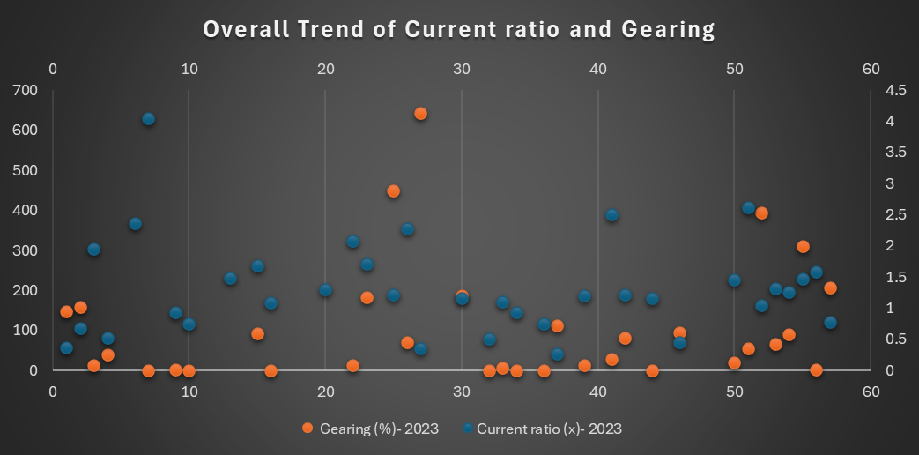

Gender Pay Gap Comparision
 | Mean Gender Pay Gap % | Median Gender Pay Gap %
 | 1 | 1

